Throwing analysis
Boccia Game Analysis (Shot Type)

(1) TRIAL TIMES PER EACH THROWING
RED |  |  |  |  |  | BLUE
AS | BS | PS | RS | KO | RU | AS | BS | PS | RS | KO | RU
0 | 0 | 0 | 0 | 0 | 0 | 0 | 0 | 0 | 0 | 0 | 0

(2) AVERAGE POINT PER EACH THROWING
RED |  |  |  |  |  | BLUE
AS | BS | PS | RS | KO | RU | AS | BS | PS | RS | KO | RU
0.0 | 0.0 | 0.0 | 0.0 | 0.0 | 0.0 | 0.0 | 0.0 | 0.0 | 0.0 | 0.0 | 0.0

(3) Score and Shot Average Point
RED |  |  |  |  |  | BLUE
SCORE |  |  |  | SHOT AVERAGE POINT |  | SCORE |  |  |  | SHOT AVERAGE POINT
0 |  |  |  | 0.0 |  | 0 |  |  |  | 0.0

Definitions
Shop Type | Abbreviation | Bisfed Offcial term | Description
Approaching Shot | AS | Placement | deliver the ball to Jack or other target
Blocking Shot | BS |  | block the opposite side's route for the defense
Pushing Shot | PS | Push on, Push off | push the ball into a target area
Ricochet Shot | RS | Ricochet | a shot played to rebound off a ball into a scoring zones
Knock Off | KO | Smash | smash the ball away from the specific target
Roll Up | RU | Roll on Top | a shot with the intension of playing the ball and it remaining on top of another ball

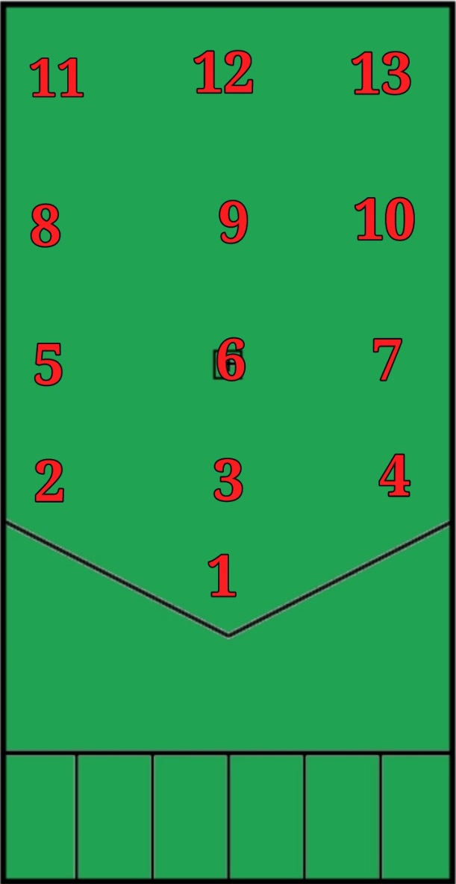
Points | Description
1 | Very bad
2 | bad
3 | Not good not bad
4 | Good
5 | Very good

