Throwing analysis
Boccia Game Analysis (Shot Type)

(1) TRIAL TIMES PER EACH THROWING
RED |  |  |  |  |  |  |  | BLUE
AS | BS | PS | RS | KO | LS | RU | SS | AS | BS | PS | RS | KO | LS | RU | SS
8 | 1 | 3 | 2 | 4 | 4 | 0 | 2 | 5 | 1 | 9 | 0 | 7 | 1 | 0 | 0

(2) AVERAGE POINT PER EACH THROWING
RED |  |  |  |  |  |  |  | BLUE
AS | BS | PS | RS | KO | LS | RU | SS | AS | BS | PS | RS | KO | LS | RU | SS
77.5 | 60.0 | 80.0 | 90.0 | 70.0 | 75.0 | 0.0 | 80.0 | 68.0 | 80.0 | 82.2 | 0.0 | 85.7 | 14.3 | 0.0 | 0.0

(3) Score and Shot Average Point
RED |  |  |  |  |  |  |  | BLUE
SCORE |  |  |  | SHOT AVERAGE POINT |  |  |  | SCORE |  |  |  | SHOT AVERAGE POINT
3 |  |  |  | 76.7 |  |  |  | 4 |  |  |  | 77.5

Definitions
Shop Type | Abbreviation | Bisfed Offcial term | Description
Approaching Shot | AS | Placement | deliver the ball to Jack or other target
Blocking Shot | BS |  | block the opposite side's route for the defense
Pushing Shot | PS | Push on, Push off | push the ball into a target area
Ricochet Shot | RS | Ricochet | a shot played to rebound off a ball into a scoring zones
Knock Off | KO | Smash | smash the ball away from the specific target
Lobbling Shot | LS | Lob | an aerial shot played to remove a target ball by attacking over a ball
Roll Up | RU | Roll on Top | a shot with the intension of playing the ball and it remaining on top of another ball
Skipping Shot | SS | Bounce over | an aerial trajectory shot aimed at bouncing over a barrier ball to reach a specific target

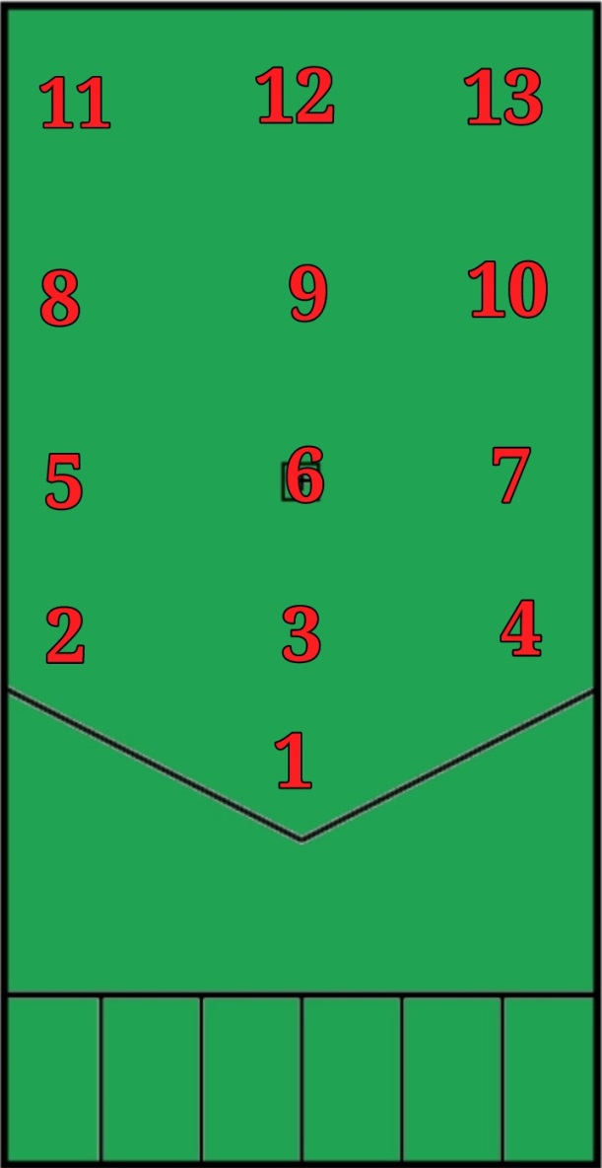
Points | Description
1 | Very bad
2 | bad
3 | Not good not bad
4 | Good
5 | Very good

